1. Title Page
Brazilian E-commerce Analysis

Project Name: Olist Brazilian E-commerce Analysis
Date: 1/25/24
Analyst Name: Robert Davies

Contents:
Population Flow
Consistency checks
Wrangling steps
Column derivations
Visualizations
Recommendations

Data Source
“Brazilian E-Commerce Public Dataset by Olist”, accessed from https://www.kaggle.com/datasets/olistbr/brazilian-ecommerce via Kaggle on 12/29/2023.
This is real commercial data, and names in the data have been anonymized.

2. Population Flow
Population flow

Exclusion flag
Condition: Canceled orders
Observations to be removed: 6
Condition: Zip codes that don't exist in Brazil
Observations to be removed: 265
Condition: Orders with inconsistent shipping days logically not possible (likely data errors)
Observations to be removed: 187
Condition: Orders in months with incomplete data
Observations to be removed: 259
Final total count of delivered_products: 108,766

orders_reviews
orders_payments
delivered_orders_location
delivered_products

Total: 96,004
Total: 99,992
Total: 96,004
Total: 109,483

1.) The grey boxes in the first row of the population flow represent the original data sets as they were when you downloaded them. In the Total fields you need to add the count of the rows when you imported the data set into Jupyter.
2.) The second row of boxes (coloured) represents the data sets after you manipulated them, e.g., removed missing values and duplicates. In the Total fields you need to add the count of the rows after conducting these operations. This offers a visual oveview of how the data flows throughout the data consistency checks.
3.) The third row, where also the arrows are coloured, represents the merges you performed between the datasets. In the Total fields you need to add the count of the rows in the merged datasets, so that you end up with the final dataset (in the red box). Keep in mind the final dataset should be without exclusions (based on the exclusion flag).

3. Consistency checks
Consistency checks

Dataset | Missing values | Missing values treatment | Duplicates
orders | 160 order_approved_at 1,783 order_delivered_carrier_date 2,965 order_delivered_customer_date | Leave | 0
order_reviews | 87,656 review_comment_title 58,247 review_comment_message | Leave, as orders are only reviewed selectively by customers | 0
order_payments |  |  | 0
customers |  |  | 0
products | 610 product_name_length 610 product_description_length 610 product_photos_qty 2 product_weight_g 2 product_length_cm 2 product_height_cm 2 product_width_cm | Leave, as data analysis will only be conducted at the product category level with no need for other product characteristics | 0
order_items |  |  | 0
sellers |  |  | 0
orders_reviews_merged | 161 order_approved_at 1,793 order_delivered_carrier_date 2,987 order_delivered_customer_date 768 review_score | Remove, as these are a small number of records and not usable with incomplete delivery date and/or review score data for purposes of final analysis | 0
products_merged | 1,540 product_category_name_english | Leave and change to 'Unknown' product category

4. Wrangling steps
Wrangling steps

Columns dropped | Columns renamed | Columns' type changed | Comment/Reason
 |  | All date fields changed to date format | Enables calculation of differences between dates
 | product_name_lenght |  | Spelling mistake
 | product_description_lenght |  | Spelling mistake
 |  | customer_zip_code_prefix | Changed from numbers to 5-digit string to enable geolocation matching

5. Column derivations
Column derivations and aggregations

Dataset | New column | Column/s it was derived from | Conditions
orders_payments_merged | act_delivery_days | order_purchase_timestamp order_delivered_customer_date | (order_delivered_customer_date) - (order_purchase_timestamp) | late_delivery frequenices
orders_payments_merged | seller_delivery_days | order_purchase_timestamp order_delivered_carrier_date | (order_delivered_carrier_date) - (order_purchase_timestamp)
orders_payments_merged | carrier_delivery_days | order_delivered_carrier_date order_delivered_customer_date | (order_delivered_customer_date) - (order_delivered_carrier_date)
orders_payments_merged | est_less_act_delivery_days | order_estimated_delivery_date order_delivered_customer_date | (order_estimated_delivery_date) - (order_delivered_customer_date)
orders_payments_merged | late_delivery | est_less_act_delivery_days | If est_less_act_delivery_days < 0, late_delivery = 1 If est_less_act_delivery_days >= 0, late_delivery = 0

6. Visualizations
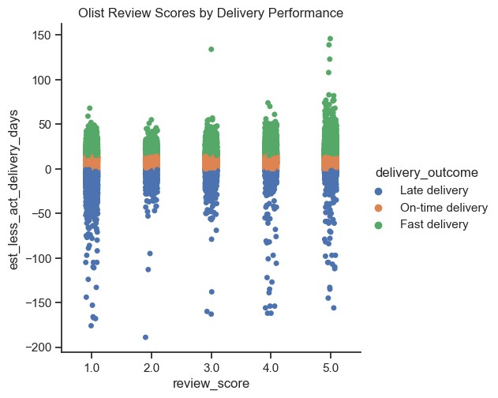
Visualizations

Payment Value of Orders by State
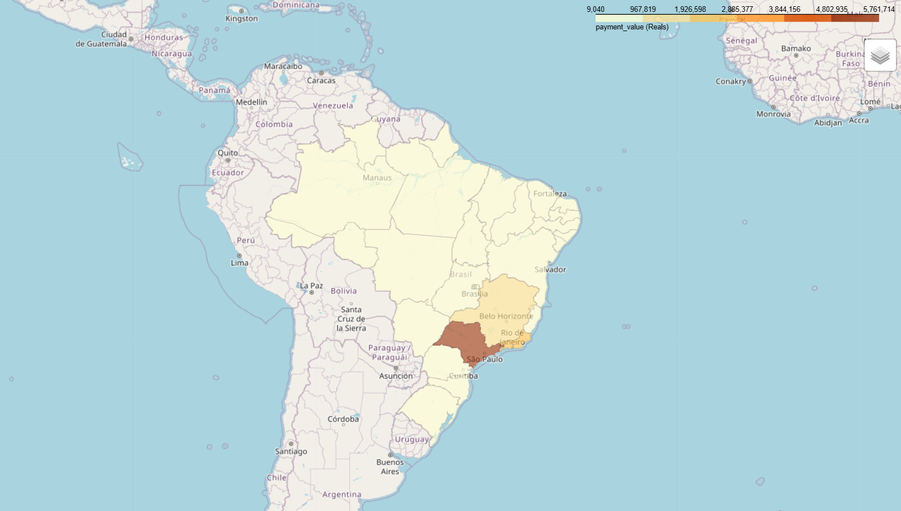

Correlation Heatmap

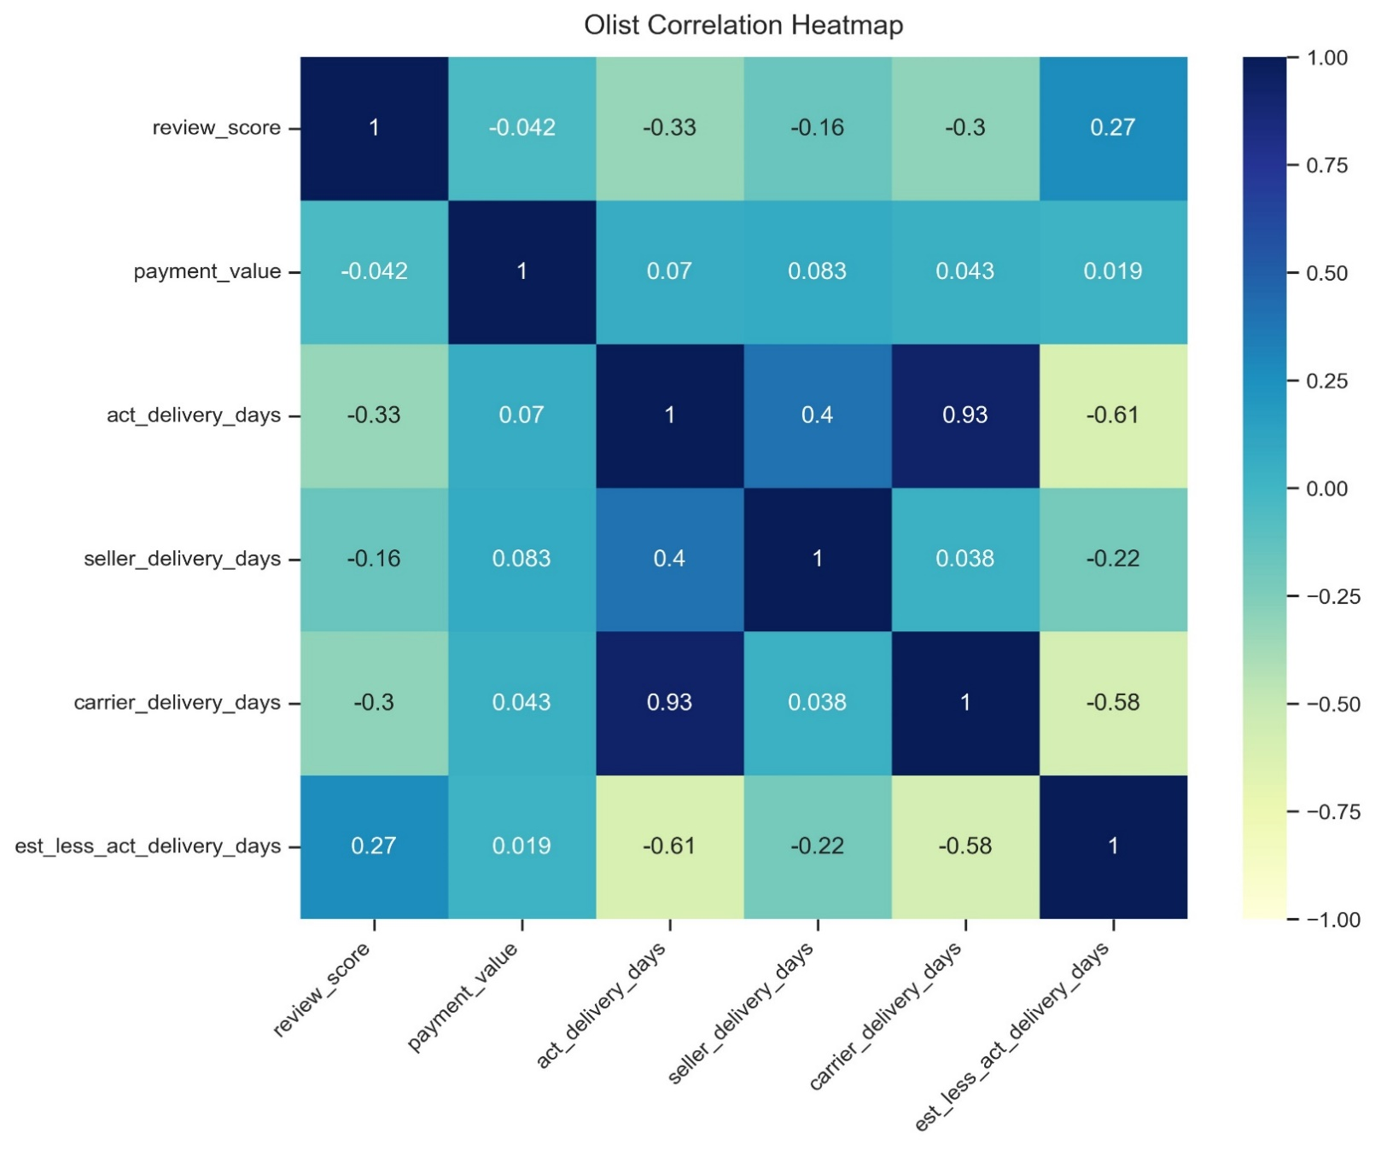

 | Scatterplots
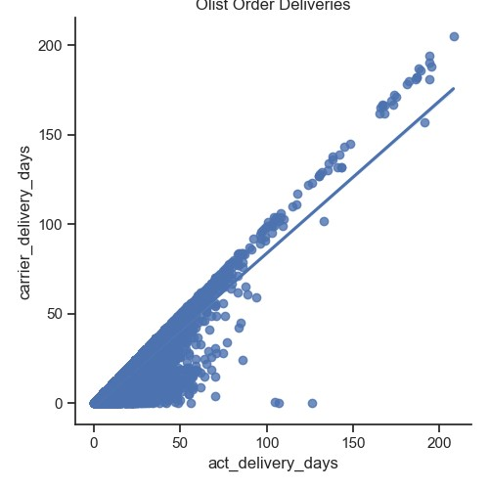

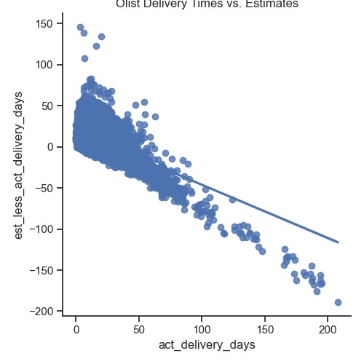

Pair Plot of Key Variables in the Olist dataset
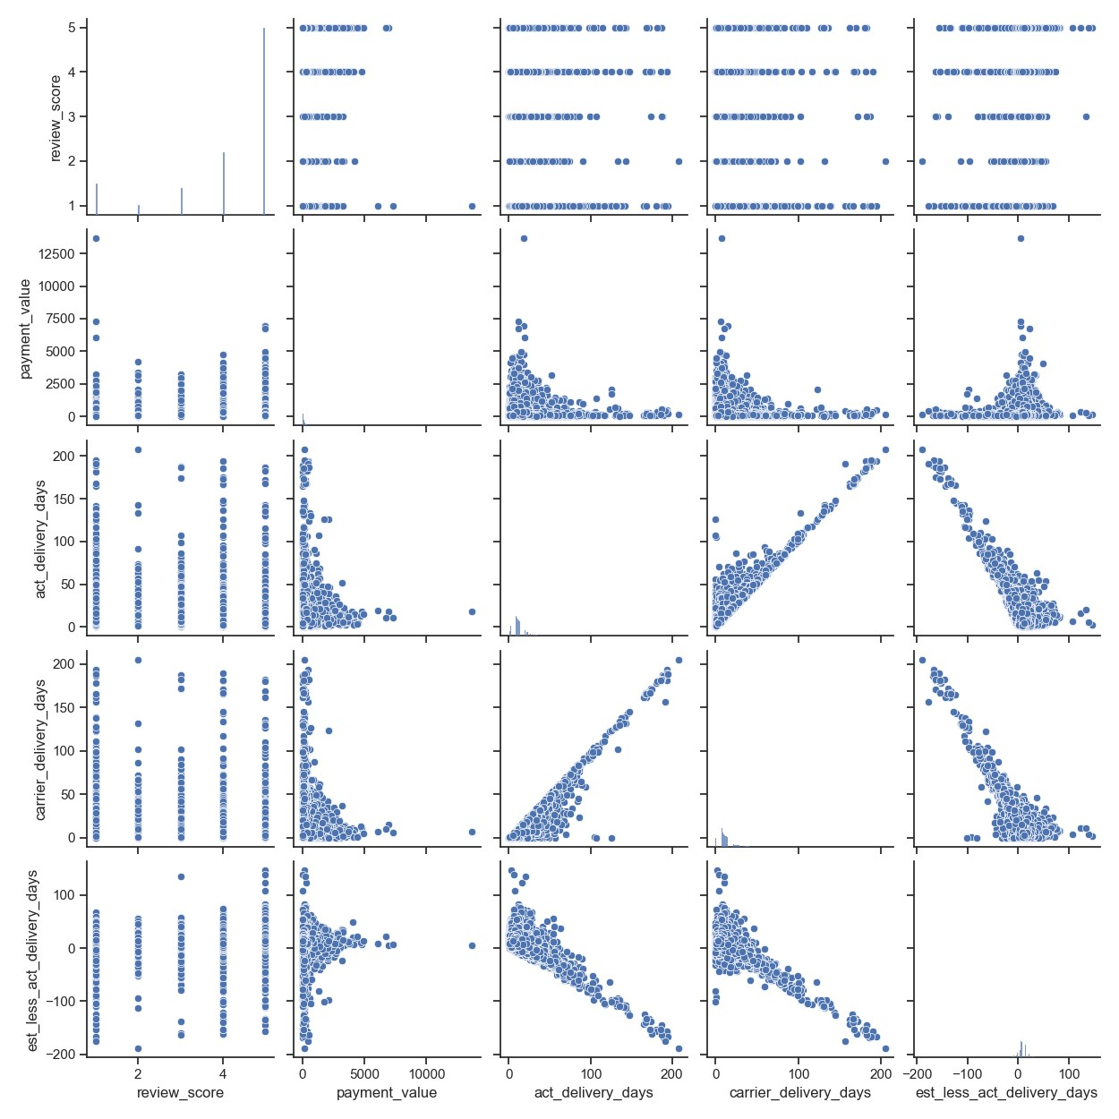

Histogram: Estimated less Actual Delivery Days
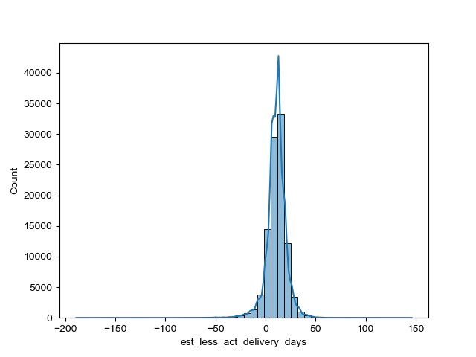

The histogram shows that the variable has a normal distribution, with a few extreme cases of orders that are either delivered to
customers extremely late (up to 7 months) or extremely early (up to 5 months). The vast majority of orders are delivered to
customers within a month prior to the estimated date communicated by Olist at the time of order placement.

 | Categorical Plot: Review Scores and Estimated less Actual Delivery Days

7. Recommendations
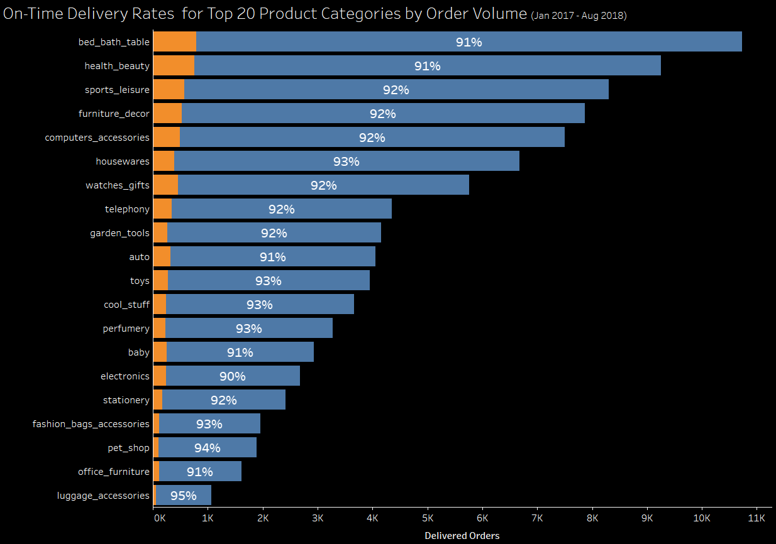
Recommendations

1. Implement actions to incentivize Olist carrier partners with low on-time order delivery metrics to improve performance.

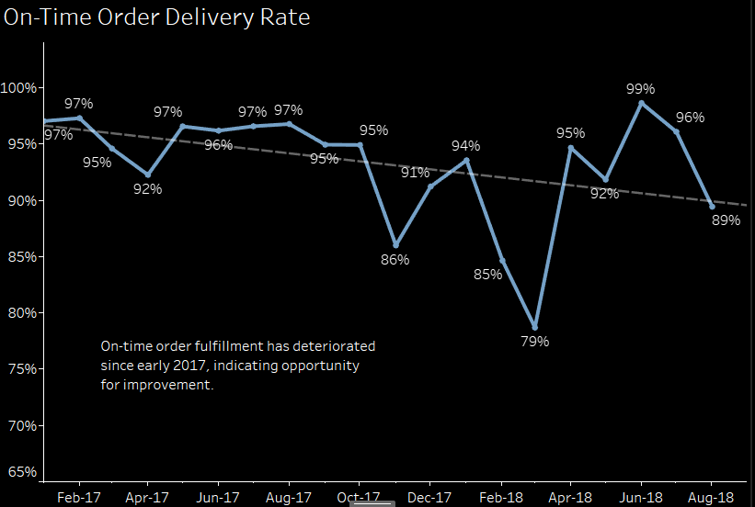

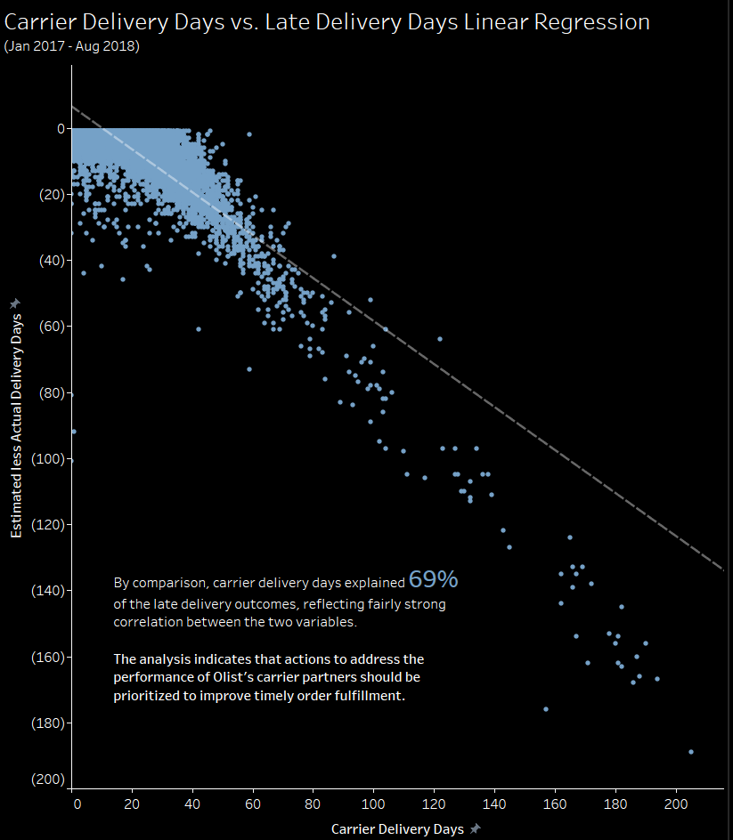

2. Implement actions to improve order delivery in Rio de Janeiro and north-east states where on-time delivery metrics are low and impacting customer satisfaction.

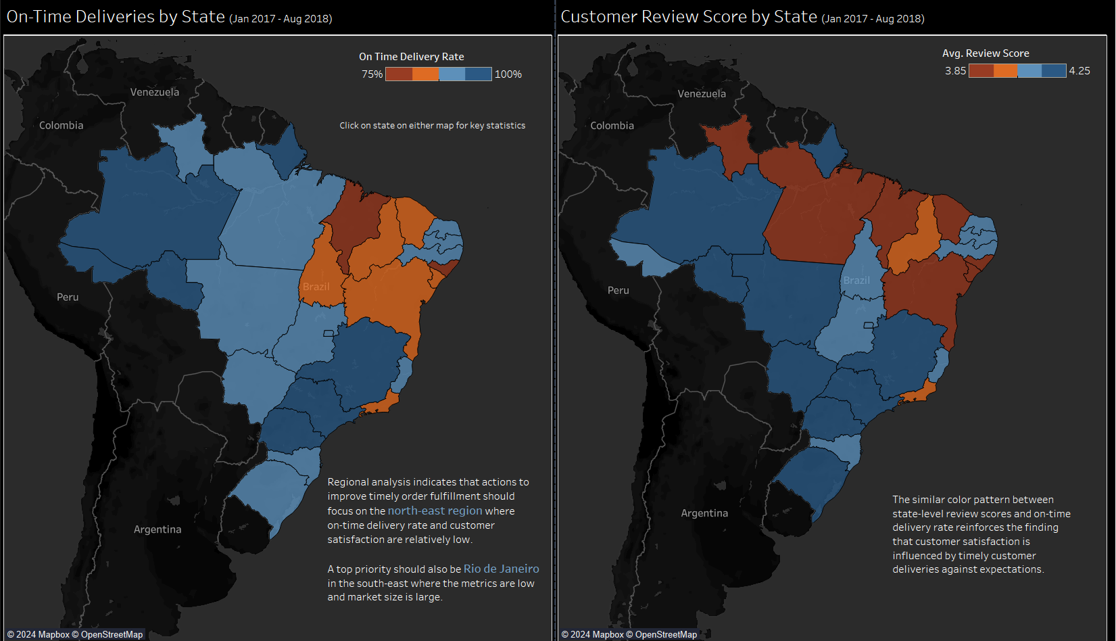

3. Identify which product items are causing below-average on-time order deliveries in the Bed, Bath & Table and Health & Beauty product categories and develop action plans to improve timely
delivery performance

